UHF G-over-T Calculator
G/T worksheet (Example)

Scenario |  | 403 MHz UHF Receiver System with HackOne RF
Designer |  | TBD |  |  |  |  |  |  | <-- User entered values
Date |  | 14-Jul-21

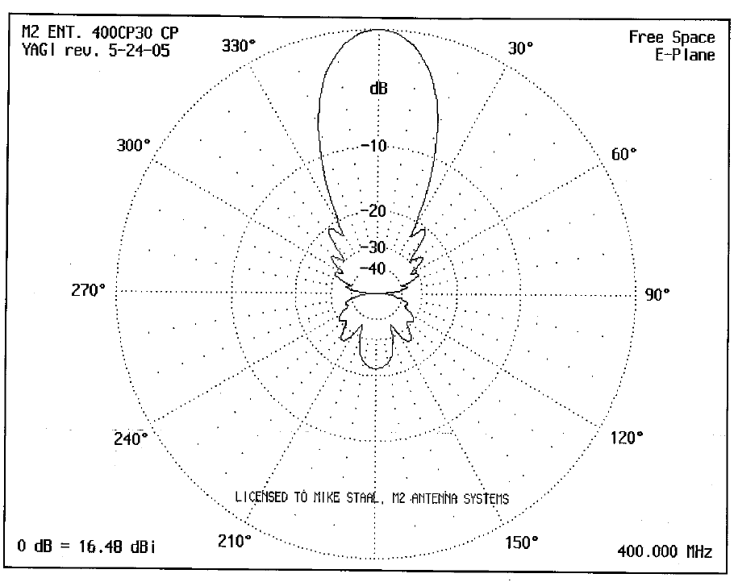
# | Element | Cable | Gain | Noise Figure | Gain |  | Noise Temperature (K)
 |  | Length (ft) | (dB) | (dB) |  |  | Element | Contribution |  | UHF Rx System G/T Calculator
1 | Ettus B201 Noise Figure |  |  | 11.1 |  | 23.22 | 3445.9 | 148.4 |  | https://owenduffy.net/rx/gt/index.htm
2 | LMR-400 cable LNA to HackOne RF | 0.5 | -0.01 |  | 1.00 | 23.30 | 0.9 | 0.0
3 | LNA-ARR SP401VDG |  | 16.00 | 0.55 | 39.81 | 0.59 | 39.2 | 66.9 |  | Cable Line Loss Calculator:
4 | LMR-400 cable RF Switch to LNA | 0.5 | -0.01 |  | 1.00 | 0.59 | 0.9 | 1.5 |  | https://owenduffy.net/calc/tl/tllc.php
5 | RF Switch Insertion Loss |  | -0.10 |  | 0.98 | 0.60 | 6.8 | 11.2
6 | LMR-400 cable UHF Filter to RF Switch | 0.5 | -0.01 |  | 1.00 | 0.60 | 0.9 | 1.5
7 | UHF Filter Insertion Loss (MiniCirc ZABP-450-S+) |  | -0.85 |  | 0.82 | 0.73 | 62.7 | 85.6
8 | LMR-400 cable Antenna to UHF Filter | 50 | -1.35 |  | 0.73 | 1.00 | 105.7 | 105.7 |  |  |  |  | Temp K | Degrees | Gain (dB) | Weight | Weighted
 |  |  |  |  | 1.00 | 1.00 | 0.0 | 0.0 |  |  | Galactic Noise |  | 100 | 10 | -0.5 | 0.60 | 60.00
 |  |  |  |  | 1.00 | 1.00 | 0.0 | 0.0 |  |  | Galactic Noise |  | 100 | 10 | -1.5 | 0.25 | 25.00
 |  |  |  |  | 1.00 | 1.00 | 0.0 | 0.0 |  |  | Galactic Noise |  | 100 | 10 | -3.0 | 0.09 | 9.00
 |  |  |  |  | 1.00 | 1.00 | 0.0 | 0.0 |  |  | Terrestrial Noise |  | 1000 | 150 | -25.0 | 0.05 | 50.00
 |  |  |  |  | 1.00 | 1.00 | 0.0 | 0.0 |  |  | Warm Earth Noise |  | 290 | 180 | -40.0 | 0.01 | 2.90
 |  |  |  |  |  |  |  |  |  |  |  | Weighted Antenna Noise |  |  | 147 | K
Rx Noise Temperature at antenna connector (K) |  |  | 420.9
Rx Noise Figure at antenna connector (dB) |  |  | 3.9
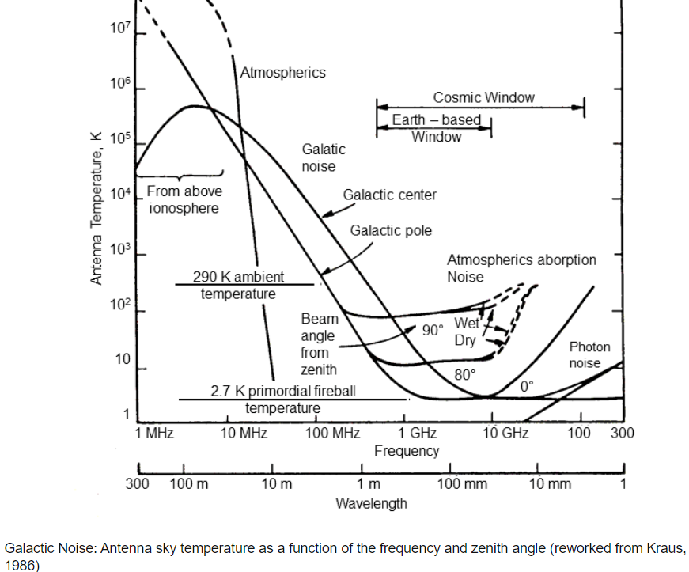
 |  | dB | K
Antenna feed losses |  | 0.05 | 3.4 | 0.99
Antenna spillover noise |  |  | 45.0 | From antenna vendor
Sky noise |  |  | 146.9 | See table upper right
Antenna total noise |  |  | 193.1
Antenna gain (wrt isotropic) |  | 16.0 |  | 39.81
G/T (dB/K) |  | -11.9
 |  | -39.862269768

Transmission Line Losses
# | Element | Gain
 |  | (dB)
1 | Ettus RF Tx
2 | 0.5 feet LMR-400 cable HackOne RF to Amplifier | 0.01
3 | 0.5 feet LMR-400 cable Amp to RF Switch | 0.00
4 | RF Switch Insertion Loss | 0.00
5 | 0.5 feet LMR-400 cable RF Switch to UHF Filter | 0.00 | 0.01
6 | UHF Filter Insertion Loss | 0.00 | 0.85
7 | 70 feet LMR-400 cable UHF Filter to Antenna | 1.89
 | Total Transmission Line Loss for Ettus | 1.90 | dB

